BBG Data
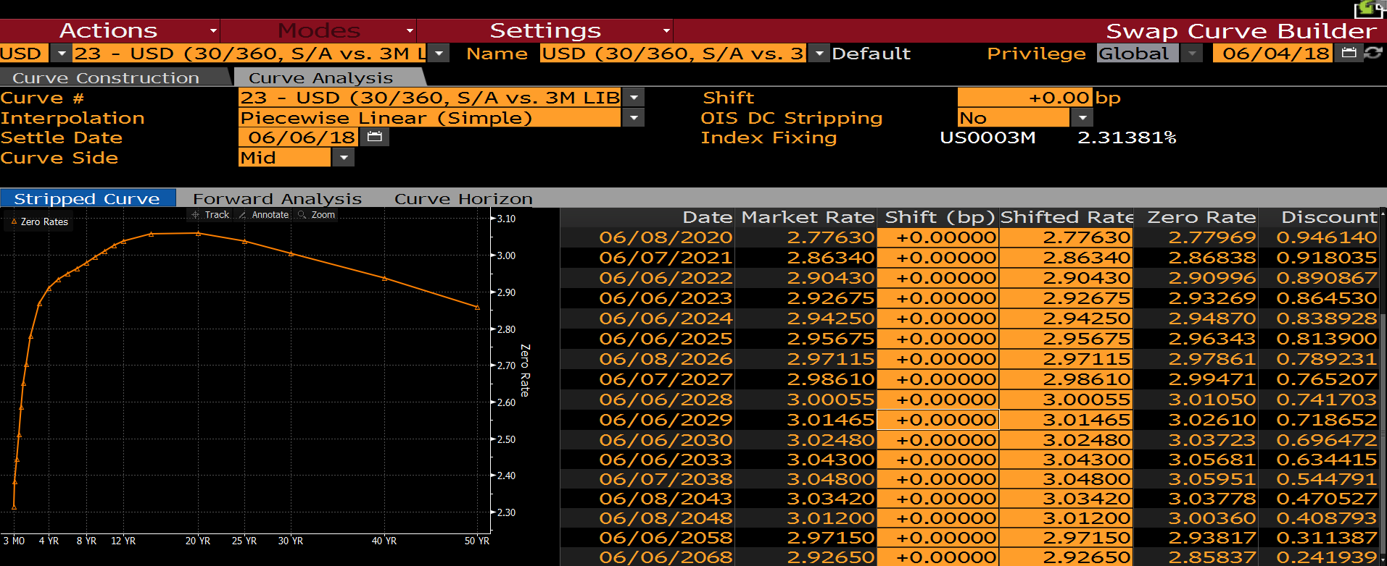

LIBOR 3M Zero Rate
Tenor | BBG Ticker
1D | S0023Z 1D BLC2 Curncy | 1.712 | BDH(B8,"px_last","6/4/2018")
1W | S0023Z 1W BLC2 Curncy | 1.75188 | BDH(B9,"px_last","6/4/2018")
1M | S0023Z 1M BLC2 Curncy | 2.01297 | BDH(B10,"px_last","6/4/2018")
2M | S0023Z 2M BLC2 Curncy | 2.11838 | BDH(B11,"px_last","6/4/2018")
3M | S0023Z 3M BLC2 Curncy | 2.31381 | BDH(B12,"px_last","6/4/2018")
6M | S0023Z 6M BLC2 Curncy | 2.43719 | BDH(B13,"px_last","6/4/2018")
9M | S0023Z 9M BLC2 Curncy | 2.50036 | BDH(B14,"px_last","6/4/2018")
1Y | S0023Z 1Y BLC2 Curncy | 2.57735 | BDH(B15,"px_last","6/4/2018")
18M | S0023Z 18M BLC2 Curncy | 2.69587 | BDH(B16,"px_last","6/4/2018")
2Y | S0023Z 2Y BLC2 Curncy | 2.77969 | BDH(B17,"px_last","6/4/2018")
3Y | S0023Z 3Y BLC2 Curncy | 2.86838 | BDH(B18,"px_last","6/4/2018")
4Y | S0023Z 4Y BLC2 Curncy | 2.90997 | BDH(B19,"px_last","6/4/2018")
5Y | S0023Z 5Y BLC2 Curncy | 2.93269 | BDH(B20,"px_last","6/4/2018")
7Y | S0023Z 7Y BLC2 Curncy | 2.96343 | BDH(B21,"px_last","6/4/2018")
10Y | S0023Z 10Y BLC2 Curncy | 3.0105 | BDH(B22,"px_last","6/4/2018")
15Y | S0023Z 15Y BLC2 Curncy | 3.05681 | BDH(B23,"px_last","6/4/2018")
20Y | S0023Z 20Y BLC2 Curncy | 3.05951 | BDH(B24,"px_last","6/4/2018")
25Y | S0023Z 25Y BLC2 Curncy | 3.03778 | BDH(B25,"px_last","6/4/2018")
30Y | S0023Z 30Y BLC2 Curncy | 3.0036 | BDH(B26,"px_last","6/4/2018")
40Y | S0023Z 40Y BLC2 Curncy | 2.93817 | BDH(B27,"px_last","6/4/2018")
50Y | S0023Z 50Y BLC2 Curncy | 2.85837 | BDH(B28,"px_last","6/4/2018")

 | BBG Tickers

 | US0003M Curncy

 | ED1 Comdty | Note: Convexity Adjusted rates can be pulled through the funciton in bulk data format if a current active contract has been identifited. e.g. BDS("EDZ8 COMB Comdty","CONVEXITY_ADJUSTED_RATE_AND_BIAS","headers=y")
 | ED2 Comdty
 | ED3 Comdty
 | ED4 Comdty
 | ED5 Comdty
 | ED6 Comdty

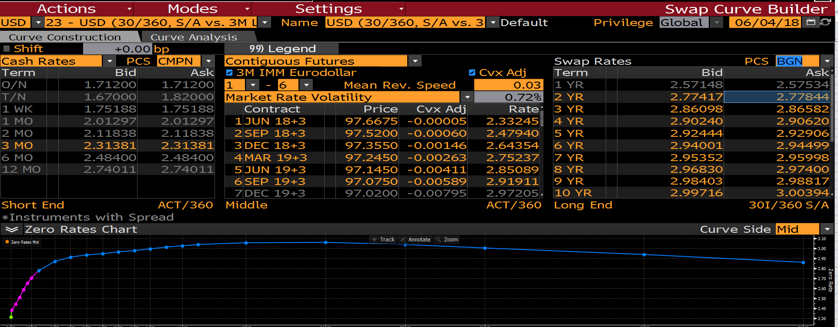
 | USSWAP2 Curncy
 | USSWAP3 curncy
 | USSWAP4 curncy
 | USSWAP5 curncy
 | USSWAP6 curncy
 | USSWAP7 curncy
 | USSWAP8 curncy
 | USSWAP9 curncy
 | USSWAP10 curncy
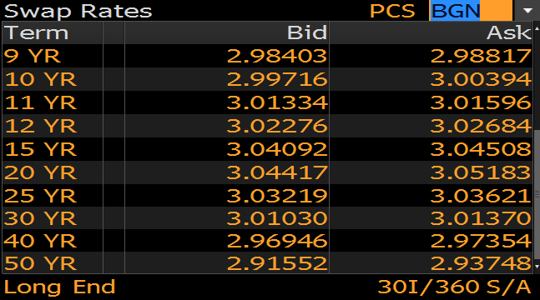
 | USSWAP11 curncy
 | USSWAP12 curncy
 | USSWAP15 curncy
 | USSWAP20 curncy
 | USSWAP25 curncy
 | USSWAP30 curncy
 | USSWAP40 curncy
 | USSWAP50 curncy

 |  |  |  |  |  | 1.67 | 1.82 | 1.745

 |  |  |  | 2.3325 | 2.33245

